IMS Tax Rates
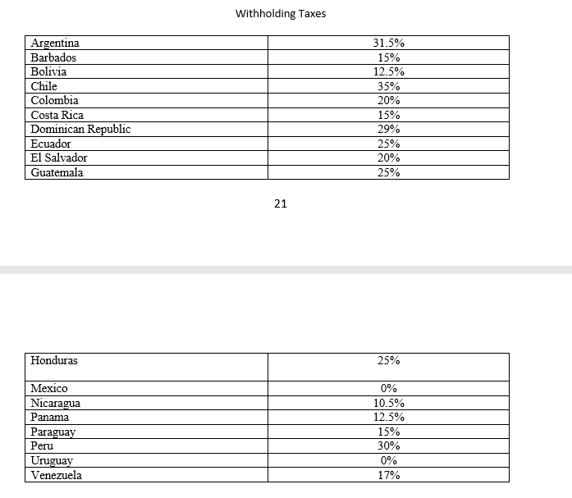
 | New Rates (after 1/1/2020)
Country | Country | Country Name | Direct Tax | W/H Tax
AR | ARG | Argentina | 4.90% | 31.50%
BB | BRB | Barbados | 0.00% | 15.00%
BS | BAH | Bahamas | 0.00% | 0.00%
BO | BOL | Bolivia | 0.00% | 12.50%
CL | CHI | Chile | 0.00% | 35.00%
CO | COL | Colombia | 0.966% | 20.00%
CR | CRI | Costa Rica | 0.00% | 15.00%
DO | DOM | Dominican Republic | 0.00% | 29.00%
EC | ECU | Ecuador | 0.00% | 25.00%
SV | SLV | El Salvador | 0.00% | 20.00%
GT | GTM | Guatemala | 0.00% | 25.00%
HN | HND | Honduras | 0.00% | 25.00%
JM | JAM | Jamaica | 0.00% | 0.00%
MX | MEX | Mexico | 0.00% | 0.00%
NI | NIC | Nicaragua | 0.00% | 10.50%
PA | PAN | Panama | 0.00% | 12.50%
PY | PRY | Paraguay | 0.00% | 15.00%
PE | PER | Peru | 0.00% | 30.00%
TT | T&T | Trinidad y Tobago | 0.00% | 0.00%
UY | URU | Uruguay | 0.00% | 0.00%
VE | VEN | Venezuela | 0.00% | 17.00%
US | USA | United States | 0.00% | 0.00%

Updates from agreement signed Mar. 31, 2020 (effective Jan. 1, 2020):
 | Withholding tax changes: Chile (from 0% to 35%), Trinidad Y Tobago (from 30% to n/a), and Uruguay (from 12% to 0%)
 | Added billing agent commission fee of 7% (all non-resellers)

